Sheet1
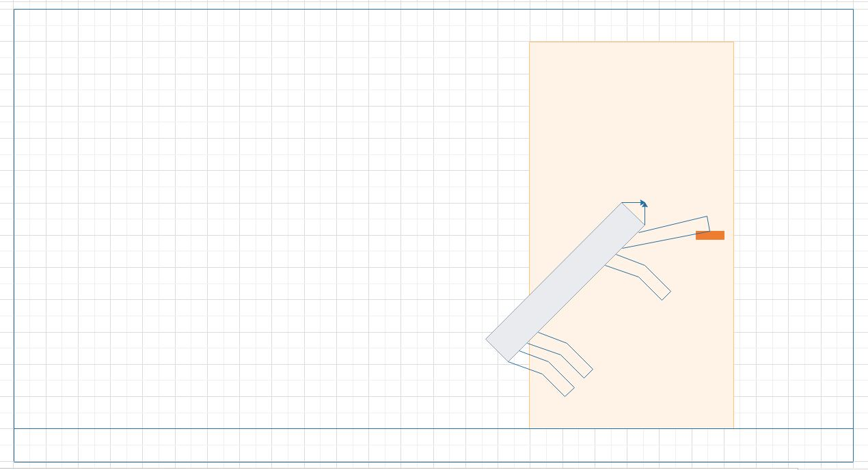
 | Application Scenario 1 Opening a door knob or door handle | 2020-05-03 | AS01 | Page 1 | Application Scenario 2 Person trapped below the partially heavy object | 2020-05-03 | AS02 | Page 1

 | Description: There may arise a situation where the robot encounters closed door while in search for living victims inside a burning building. Therefore, the robot needs to open the closed door to rescue victim. |  |  |  | Description: This is a scenario in which a person is trapped under a partially heavy object and cannot move unless and until the object is removed. The object needs to be moved and set aside by the robot in order to rescue the trapped person.

 | 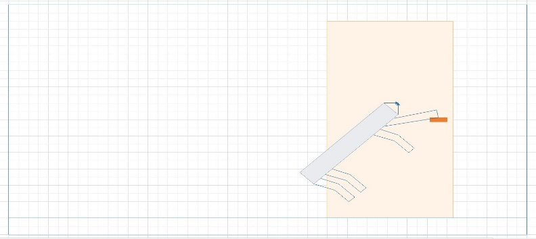 Principle Solution: Since the door knob is beyond the robot’s reach, it will jump and grab a hold of the door handle and hang to it until a moment the door opens and push the door to open it completely. In case of a door knob, the robot uses its robotic arm which grabs a hold of the door knob and turns it until it opens. The robot can also may use of its robotic arm to pull the door open. |  |  |  | 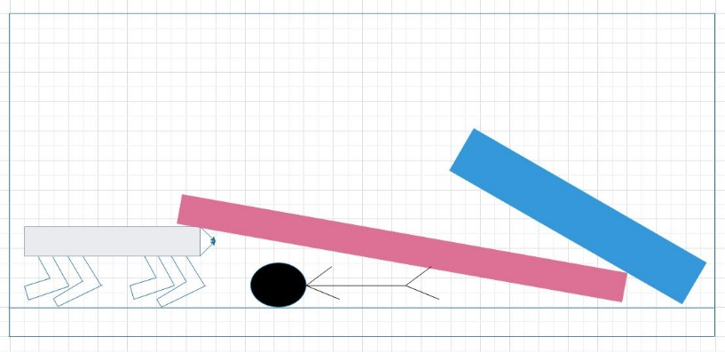 Principle Solution: The robot makes an attempt to bend underneath the heavy object and try to push it upwards. Then it attempts to crawl by carrying the object to move it past the previous location in order to ensure victim’s safety. Once the victim is set free from being trapped, robot can now carry out the further rescue operation.



 | Application Scenario 3 Clearing path for better navigation | 2020-05-03 | AS03 | Page 1 | Application Scenario 4 Search and Rescue operation | 2020-05-03 | AS04 | Page 1
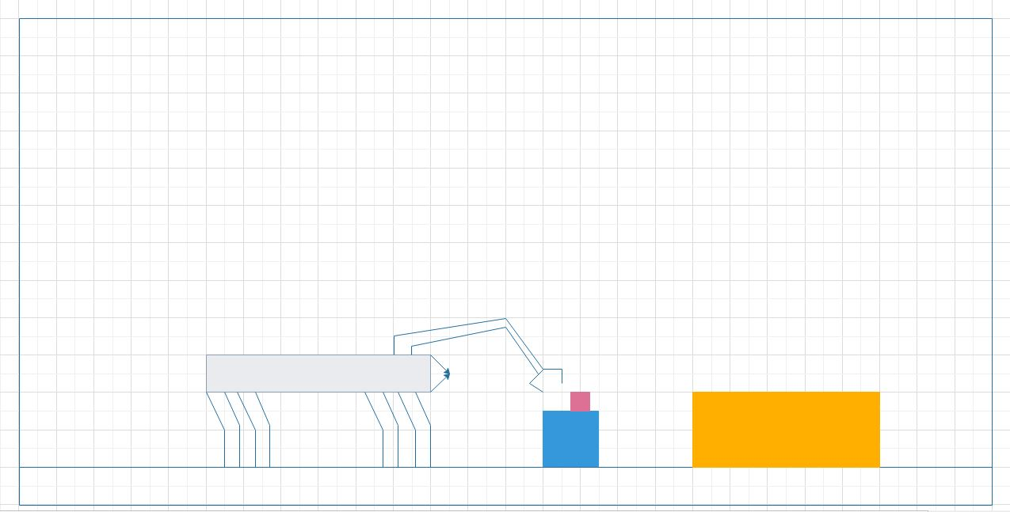
 | Description: There may arise a situation where the robot is making an attempt to navigate through the burning building and there comes a situation where it cannot move forward because the path is covered up with medium-sized obstacles, junk, etc. |  |  |  | Description: This is the situation in which the rescue team is employed to rescue living beings (humans or animals) from burning building, earthquake damaged area or sinking boats. Especially in the burning building, where finding a trapped human being and rescuing them is not so easy since spotting them itself can take hours for the rescue team.

 | 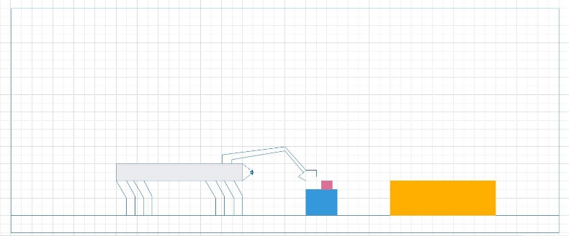 Principle Solution: This a part where the robotic arm comes into the picture. The robotic arm is capable of lifting and moving weights of around 15 Kg. The robotic arm is an external equipment and can be attached or detached by the User or rescue team depending upon the rescue operation (For eg. There is no need of robotic arm when the rescue operation is completely dedicated to water-based rescue operation). Therefore, a robotic arm can be used to life the object and set it aside, thus, clearing its further path and continue its mission. |  |  |  | Principle Solution: The robot can be set up with a camera which moves efficiently inside the building, climb stairs and find trapped humans since it is fire-proof. With the help of the robot, live streaming is possible for the rescue team. The robot is also employed to carry oxygen cylinder in case of emergency. Through the live stream, rescue team can communication with the trapped victim by following simple safety instructions deployed by rescue team. If there comes a situation where the victim is unconscious due to heavy smoke or drowned in water, the robot sends its live location to the rescue team.

ENVIRONMENT DIAGRAM
User

emergency
shutdown control
Information
Exchange

RANGERover
carries
Oxygen Cylinders

rain,snow, wind, storm,
etc.
live
stream

avoid trees, rocks, junk, etc.

Obstacles
Environment
Camera

rain, snow, storm

